Outcomes based on launch date
Parent Category | (All)

 | canceled | failed | live | successful | (blank)
Jan | 34 | 149 | 2 | 182
Feb | 27 | 106 | 18 | 202
Mar | 28 | 108 | 30 | 180
Apr | 27 | 102 |  | 192
May | 26 | 126 |  | 234
Jun | 27 | 147 |  | 211
Jul | 43 | 150 |  | 194
Aug | 33 | 134 |  | 166
Sep | 24 | 127 |  | 147
Oct | 20 | 149 |  | 183
Nov | 37 | 114 |  | 183
Dec | 23 | 118 |  | 111
Count of outcomes | Column Labels
Row Labels | canceled | failed | live | successful | (blank) | Grand Total
Jan | 34 | 149 | 2 | 182 |  | 367
Feb | 27 | 106 | 18 | 202 |  | 353
Mar | 28 | 108 | 30 | 180 |  | 346
Apr | 27 | 102 |  | 192 |  | 321
May | 26 | 126 |  | 234 |  | 386
Jun | 27 | 147 |  | 211 |  | 385
Jul | 43 | 150 |  | 194 |  | 387
Aug | 33 | 134 |  | 166 |  | 333
Sep | 24 | 127 |  | 147 |  | 298
Oct | 20 | 149 |  | 183 |  | 352
Nov | 37 | 114 |  | 183 |  | 334
Dec | 23 | 118 |  | 111 |  | 252
Grand Total | 349 | 1530 | 50 | 2185 |  | 4114

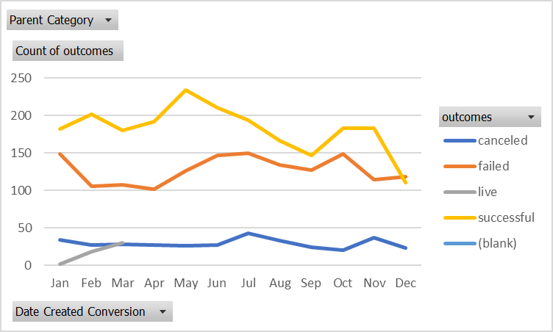
 |  |  |  | Picture of the pivot chart

Theater Outcomes by Launch Date
Theatre Outcomes Based on Launch Date
 | successful | failed | canceled
Jan | 56 | 33 | 7
Feb | 71 | 39 | 3
Mar | 56 | 33 | 3
Apr | 71 | 40 | 2
May | 111 | 52 | 3
Jun | 100 | 49 | 4
Jul | 87 | 50 | 1
Aug | 72 | 47 | 4
Sep | 59 | 34 | 4
Oct | 65 | 50
Nov | 54 | 31 | 3
Dec | 37 | 35 | 3
Parent Category | theater
Years | (All)

Count of outcomes | Column Labels
Row Labels | successful | failed | canceled | Grand Total
Jan | 56 | 33 | 7 | 96
Feb | 71 | 39 | 3 | 113
Mar | 56 | 33 | 3 | 92
Apr | 71 | 40 | 2 | 113
May | 111 | 52 | 3 | 166
Jun | 100 | 49 | 4 | 153
Jul | 87 | 50 | 1 | 138
Aug | 72 | 47 | 4 | 123
Sep | 59 | 34 | 4 | 97
Oct | 65 | 50 |  | 115
Nov | 54 | 31 | 3 | 88
Dec | 37 | 35 | 3 | 75
Grand Total | 839 | 493 | 37 | 1369

Outcomes Based on Goals Chart
Goal | Number Successful | Number Failed | Number Canceled | Total Projects | Percentage Successful | Percentage Failed | Percentaged Canceled
Less than 1000 | 141 | 45 | 0 | 186 | 76% | 24% | 0%
1000 to 4999 | 388 | 146 | 0 | 534 | 73% | 27% | 0%
5000 to 9999 | 93 | 76 | 0 | 169 | 55% | 45% | 0%
10000 to 14999 | 39 | 33 | 0 | 72 | 54% | 46% | 0%
15000 to 19999 | 12 | 12 | 0 | 24 | 50% | 50% | 0%
20000 to 24999 | 9 | 11 | 0 | 20 | 45% | 55% | 0%
25000 to 29999 | 1 | 4 | 0 | 5 | 20% | 80% | 0%
30000 to 34999 | 3 | 8 | 0 | 11 | 27% | 73% | 0%
35000 to 39999 | 4 | 2 | 0 | 6 | 67% | 33% | 0%
40000 to 44999 | 2 | 1 | 0 | 3 | 67% | 33% | 0%
45000 to 49999 | 0 | 1 | 0 | 1 | 0% | 100% | 0%
Greater than 50000 | 2 | 14 | 0 | 16 | 13% | 88% | 0%

Outcomes Based on Goal

Category Statistics Pivot table
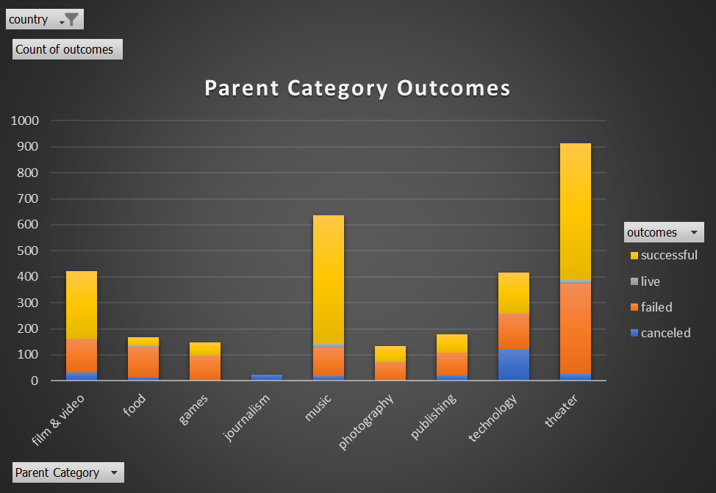
country | US

Parent Category Outcomes
Count of outcomes | Column Labels
Row Labels | failed | live | successful | Grand Total
theater | 250 | 9 | 412 | 671
plays | 250 | 9 | 412 | 671
Grand Total | 250 | 9 | 412 | 671

Subcategory Statistics
country | GB
Parent Category | (All)

Count of outcomes | Column Labels
Row Labels | canceled | failed | live | successful | Grand Total
animation |  | 14 |  |  | 14
art books | 3 |  |  |  | 3
children's books |  | 2 |  |  | 2
classical music |  |  |  | 5 | 5
documentary |  |  |  | 8 | 8
drama |  | 16 |  |  | 16
electronic music |  |  |  | 6 | 6
 | canceled | failed | live | successful
animation |  | 14
art books | 3
children's books |  | 2
classical music |  |  |  | 5
documentary |  |  |  | 8
drama |  | 16
electronic music |  |  |  | 6
faith |  | 1 | 1
fiction |  | 2
food trucks | 1 | 5
gadgets |  | 3
hardware |  |  |  | 19
jazz |  | 6
metal |  |  |  | 2
mobile games |  | 7
musical | 5 | 11 |  | 10
nature |  | 3
nonfiction |  |  |  | 6
people |  | 5
photobooks |  | 14 |  | 18
places |  | 5
plays |  | 70 | 6 | 238
pop |  |  |  | 2
restaurants |  | 3
rock |  |  |  | 10
science fiction | 2
shorts |  |  |  | 6
small batch |  |  | 1
space exploration |  |  |  | 3
spaces | 1 | 8 |  | 10
tabletop games |  |  |  | 16
television |  |  |  | 7
translations |  | 4
video games |  | 10
wearables | 5 | 6
web | 7 | 10
world music | 1
faith |  | 1 | 1 |  | 2
fiction |  | 2 |  |  | 2
food trucks | 1 | 5 |  |  | 6
gadgets |  | 3 |  |  | 3
hardware |  |  |  | 19 | 19
jazz |  | 6 |  |  | 6
metal |  |  |  | 2 | 2
mobile games |  | 7 |  |  | 7
musical | 5 | 11 |  | 10 | 26
nature |  | 3 |  |  | 3
nonfiction |  |  |  | 6 | 6
people |  | 5 |  |  | 5
photobooks |  | 14 |  | 18 | 32
places |  | 5 |  |  | 5
plays |  | 70 | 6 | 238 | 314
pop |  |  |  | 2 | 2
restaurants |  | 3 |  |  | 3
rock |  |  |  | 10 | 10
science fiction | 2 |  |  |  | 2
shorts |  |  |  | 6 | 6
small batch |  |  | 1 |  | 1
space exploration |  |  |  | 3 | 3
spaces | 1 | 8 |  | 10 | 19
tabletop games |  |  |  | 16 | 16
television |  |  |  | 7 | 7
translations |  | 4 |  |  | 4
video games |  | 10 |  |  | 10
wearables | 5 | 6 |  |  | 11
web | 7 | 10 |  |  | 17
world music | 1 |  |  |  | 1
Grand Total | 25 | 205 | 8 | 366 | 604

